Summary Sheet and Guidance
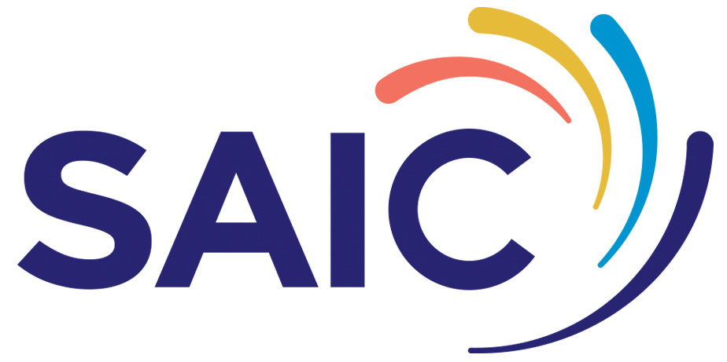
SAIC Project Finance Summary
Project title:
Lead Industry Partner:
Start date:
Duration:
Guidance for completing this workbook:
For each partner in the project please complete a project cost table on either the Academic Partner tab, SME Partner tab or Industry Partner tab depending on which applies. Costs are to be broken down into financial years (April to March) for the duration of the project.
Note: Only Scottish academic and SME partners with a Scottish operational base are eligible to receive funds directly from SAIC
Note: Academic Partners will be funded at 80% FEC (Full Economic Cost). SME Partners will be funded up to 50%
Note: SAIC grant must be match funded by commercial partners to a minimum of 1:1.15
Note: If you are an SME but not claiming grant funding from SAIC, please complete a table in the Industry Partner sheet.
As the partner finance tables are completed the Summary Sheet and guidance table below should automatically populate.
If you have any queries please contact: | projects@saicinnovation.org.uk
Please refer to the application guidance document for details on eligible and ineligible project costs.
Summary of Project Costs:
Industry Partners | Project Cost | % Total Project Cost
Partner 1 | £- | #DIV/0!
Partner 2 | £- | #DIV/0!
Partner 3 | £- | #DIV/0!
Partner 4 | £- | #DIV/0!

SME Partners
Partner 1 | £- | #DIV/0!
Partner 2 | £- | #DIV/0!

Academic Partners
Partner 1 | £- | #DIV/0!
Partner 2 | £- | #DIV/0!

Amount grant sought from SAIC (SME) | £- | #DIV/0!
Amount grant sought from SAIC (academic) | £- | #DIV/0!
TOTAL GRANT SOUGHT | £- | #DIV/0!
TOTAL PROJECT COST | £-
Cash contributions | £- | #DIV/0!
In-kind contributions | £- | #DIV/0!
TOTAL MATCH FUNDING | £-
Match Funding Ratio |  | #DIV/0!
Match Funding Test |  | FAIL

Document v1.0, August 2026

